Weekly Average
Team Name + Nickname |  |  | Average from: |  | 2020-06-15 |  | - |  | 2020-06-19

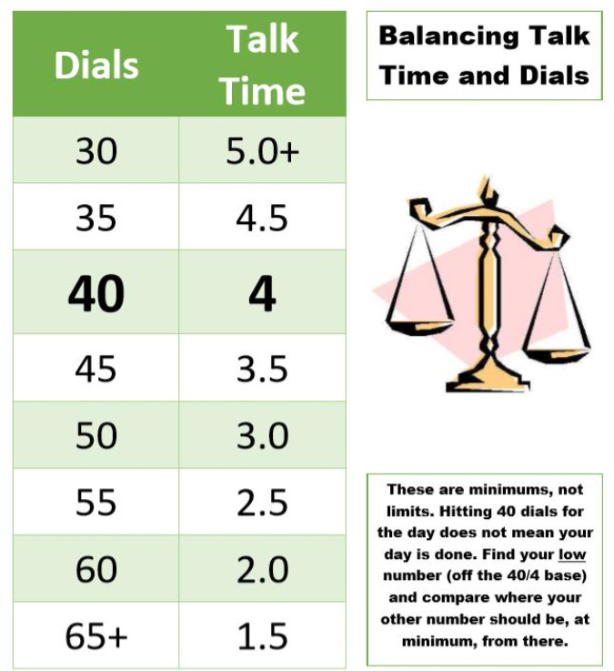
 |  |  | On-Queue | Inbound | Dials |  |  | Hours |  |  | Lives Changed
 | Days Worked: | Enrollment Counselor: |  |  |  | Needed Based on Hours |  |  | Needed Based on Dials | Weekly Dials & Hours % To Goal | Per Day | Week to date | Goal:
 | 4.50 | EC 1 | 4:04:06 | 4.0 | 41 | 52 |  | 2:47:42 | 3:52:48 | 76% | 2.2 | 10 |  | > | 130%
 | 5.00 | EC 2 | 4:22:08 | 2.0 | 38 | 37 |  | 4:16:42 | 4:09:36 | 103% | 1.4 | 7 |  | >= | 100%
 | 4.00 | EC 3 | 4:00:19 | 5.0 | 28 | 48 |  | 3:10:58 | 5:00:00 | 61% | 1.8 | 7 |  | < | 100%
 | 2.25 | EC 4 | 4:28:19 | 4.7 | 52 | 55 |  | 2:28:23 | 2:50:00 | 90% | 2.2 | 5 |  | < | 70%
 | 4.00 | EC 5 | 3:41:03 | 2.0 | 43 | 51 |  | 2:51:18 | 3:45:00 | 79% | 2.0 | 8 |  | < | 50%
 | 5.50 | EC 6 | 4:57:42 | 3.8 | 43 | 43 |  | 3:41:12 | 3:41:00 | 100% | 2.0 | 11 |  | < | 30%
 | 3.25 | EC 7 | 3:40:02 | 4.0 | 22 | 40 |  | 4:01:48 | 5:00:00 | 68% | 1.8 | 6
 | 5.75 | EC 8 | 4:12:15 | 2.8 | 31 | 30 |  | 4:57:20 | 4:54:00 | 101% | 2.3 | 13
 | 5.00 | EC 9 | 5:06:07 | 2.6 | 37 | 51 |  | 2:52:43 | 4:19:12 | 69% | 2.4 | 12
 | 6.00 | EC 10 | 4:51:19 | 3.2 | 29 | 36 |  | 4:23:28 | 5:00:00 | 84% | 2.5 | 15
 | 4.00 | EC 11 | 4:01:16 | 4.5 | 53 | 53 |  | 2:44:26 | 2:43:30 | 100% | 1.8 | 7
 | 5.00 | EC 12 | 4:50:11 | 4.6 | 37 | 50 |  | 2:59:00 | 4:19:12 | 71% | 2.2 | 11
 | 2.75 | EC 13 | 4:40:34 | 4.1 | 22 | 48 |  | 3:13:36 | 5:00:00 | 55% | 2.9 | 8
 | 3.00 | EC 14 | 4:23:28 | 6.0 | 38 | 49 |  | 3:04:46 | 4:12:00 | 75% | 3.0 | 9
 | 6.00 | EC 15 | 4:57:39 | 5.2 | 45 | 52 |  | 2:50:08 | 3:31:00 | 84% | 3.0 | 18

 |  | Team Average: | 4:25:06 | 1900-01-03 21:28:32 | 37 | 46 |  | 3:21:34 | 4:09:09 | 81% | 2.2 | 147

